1.Def->Affine Space,HyperPlane
 | 1.THEORY & EVOLUTION OF SUPPORT VECTOR MACHINE (SVM)=>IMPORTANT TERMINOLOGY | REFERENCE

 | ▣UNDERSTANDING TERMINOLOGY

 | ❶ WHAT IS AFFINE SPACE ?
 | ⇰Affine space-->An affine subspace of dimension (n – 1) in an affine space or a vector space of dimension (n) is an affine hyperplane.

 | 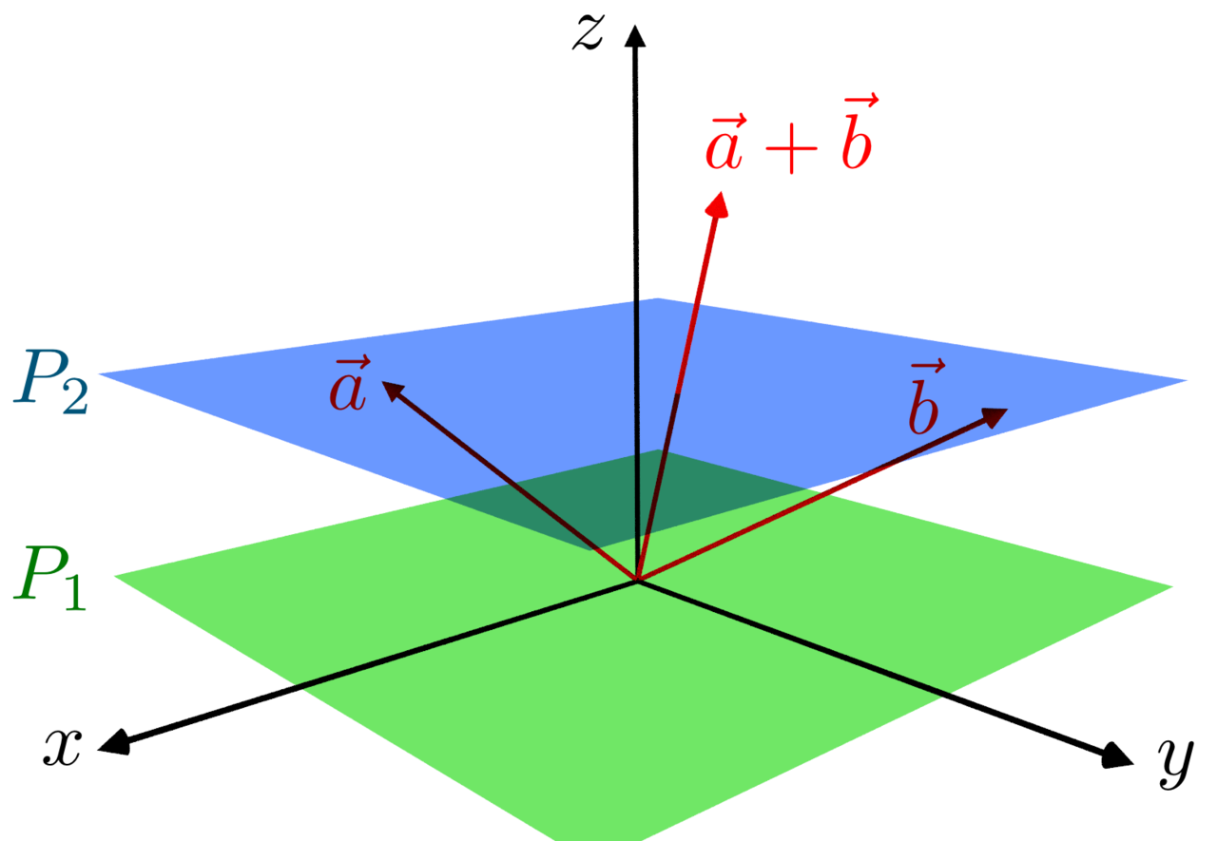 | ⇰REFERENCE (Website)-->Wikipedia Regarding Thereotical & Conceptual Understanding of Affine Space

 |  | ⇰REFERENCE (Website)-->Udemy Regarding Thereotical & Conceptual Understanding of Hyper Plane , Margin & Evolution of SVM

 | 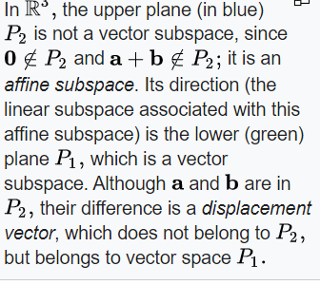 | ⇰REFERENCE (Website)-->Wikipedia Regarding Thereotical & Conceptual Understanding of Affine Space

 |  | ⇰REFERENCE (Website)-->Wikipedia Regarding Thereotical & Conceptual Understanding of Affine Space

 | ❷WHAT IS HYPER PLANE ? | ⇰REFERENCE (Website)-->Udemy Regarding Thereotical & Conceptual Understanding of Hyper Plane , Margin & Evolution of SVM
 | ⇰According to Udemy In an N-Dimensional Space Hyper Plane is a flat affine subspace, of hyper plane dimension (N -1). ⇰According to Towards Data Science Hyperplanes are decision boundaries that help classify the data points. Data points falling on either side of the hyperplane can be attributed to different classes. ⇰Also, the dimension of the hyperplane depends upon the number of features. If the number of input features is 2, then the hyperplane is just a line. If the number of input features is 3, then the hyperplane becomes a two-dimensional plane. It becomes difficult to imagine when the number of features exceeds 3. Following are types of Hyper Plane -->

 |  | ⇰REFERENCE (Website)-->Towards Data Science Regarding Thereotical & Conceptual Understanding of Hyper Plane

 | ❶ 1-D Hyper Plane is Single Point ❷ 2-D Hyper Plane is a Line ❸ 3-D Hyper Plane is Flat Plane

 |  | ⇰REFERENCE (You Tube)-->Visually Explained Regarding Practical & Conceptual Understanding of Kernel Trick in Support Vector Machine (SVM)

 | ❸WHAT IS HYPER PLANE ? ACCORDING TO ANALYTICS VIDHYA
 | ⇰A hyperplane divides any ‘d’ dimensional space into two parts using a (d-1) dimensional hyperplane. The “green” colored 2-dimensional hyperplane is used to separate the two classes “red” and “blue” present in the third dimension (3D), as shown in the diagram below.

 | 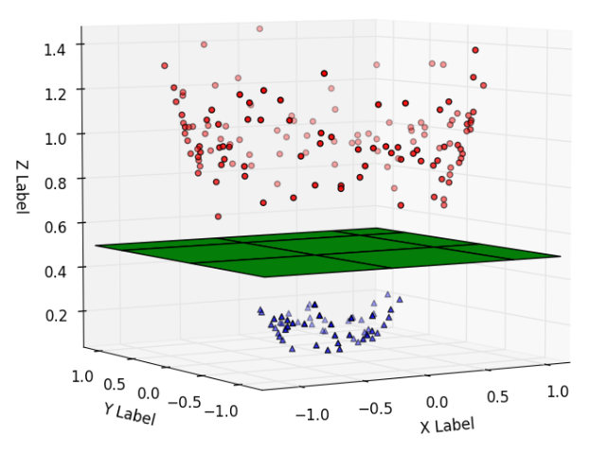 | ⇰REFERENCE (Website)-->Analytics Vidhya Regarding Thereotical & Conceptual Implementation of Maximum Margin Classifiers

 | ①1-D Hyper Plane is Single Point | ⇰REFERENCE (Website)-->Udemy Regarding Thereotical & Conceptual Understanding of Hyper Plane , Margin & Evolution of SVM

1 | Keep in mind, though, typically when we're just discussing planes and planes in one dimension, two dimensions and three dimensions, we don't actually use the term hyper plane.We use the terms point line and plane.It's not until we really get to four dimensions and beyond that we use the terminology of hyper planes.

 |  | ⇰REFERENCE (Website)-->(Medium) Towards Data Science Regarding Thereotical & Conceptual Understanding of Hyper Plane

2 | 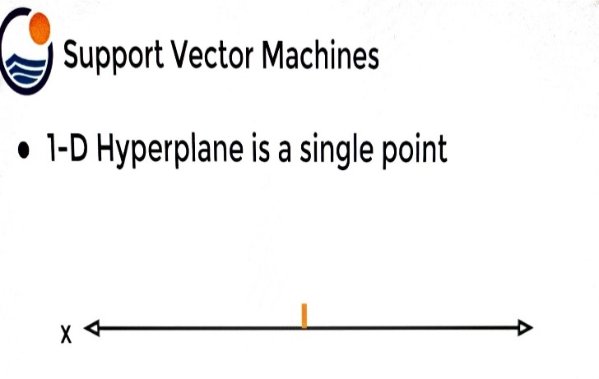 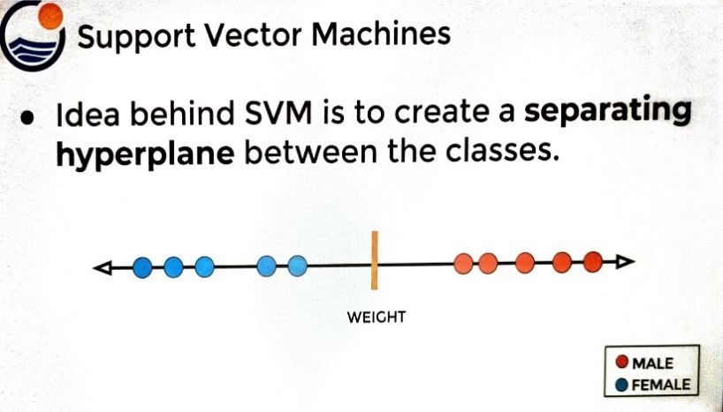

3 | Now in one dimension, as I talked about, a hyperplane is a single point.So if I have a single feature that is a one dimensional X, then somewhere along this line a hyperplane could be thought of as a single point.

 | ②2-D Hyper Plane is a Line | ⇰REFERENCE (Website)-->Udemy Regarding Thereotical & Conceptual Understanding of Hyper Plane , Margin & Evolution of SVM

4 | 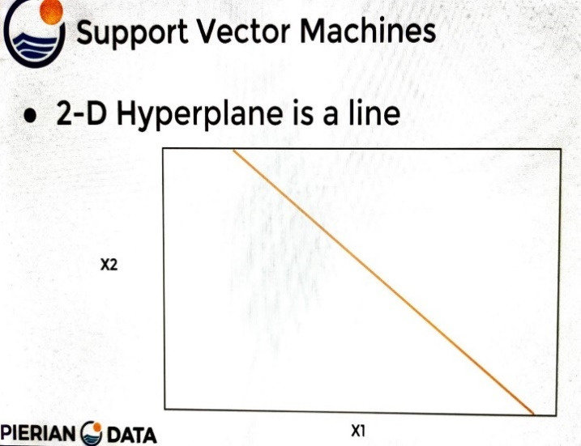 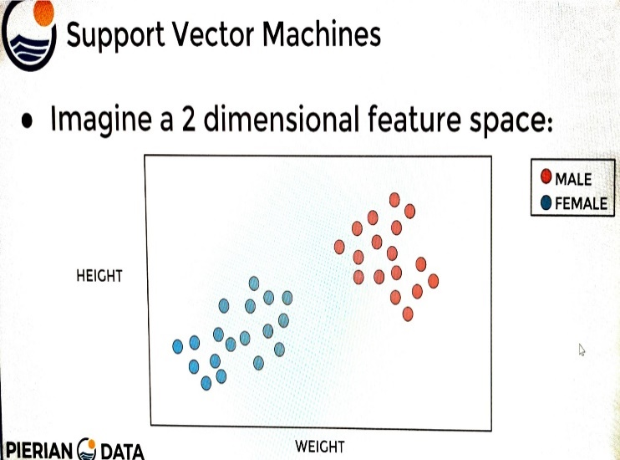

 |  | ⇰REFERENCE (Website)-->Towards Data Science Regarding Thereotical & Conceptual Understanding of Hyper Plane

5 | In two dimensions The hyper plane is a line, so we can see here the hyper plane is just a one dimensional line (1D).We're taking the number of dimensions and just subtracting one from it & that's what your hyper plane looks like.Which means in three dimensions (3D), the hyper plane is really just a (2D) plane or a flat plane.

 | ②3-D Hyper Plane is Flat Plane

 | 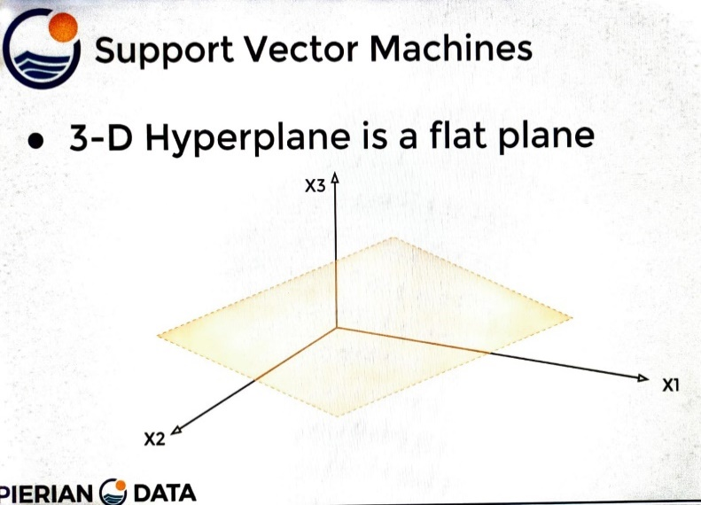 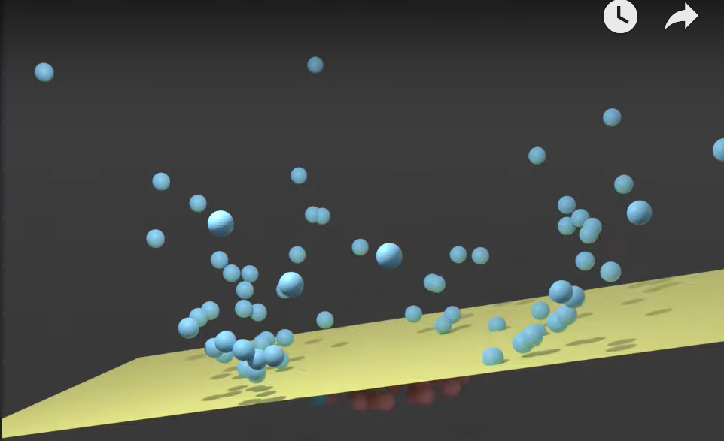 | ⇰REFERENCE (Website)-->Udemy Regarding Thereotical & Conceptual Understanding of Hyper Plane , Margin & Evolution of SVM

 |  |  | ⇰REFERENCE (You Tube)-->Visually Explained Regarding Practical & Conceptual Understanding of Kernel Trick in Support Vector Machine (SVM)

 |  | ⇰REFERENCE (Website)-->(Medium) Towards Data Science Regarding Thereotical & Conceptual Understanding of Hyper Plane

6 | We're taking the number of dimensions and just subtracting one from it. And that's what your hyper plane looks like Which means in three dimensions (3D), the hyper plane is really just a (2D) (2 Dimensional plane) or a flat plane.

2.Maximum Margin Classifier
2.THEORY & EVOLUTION OF SUPPORT VECTOR MACHINE (SVM)=> MAXIMUM MARGIN CLASSIFIERS |  |  | REFERENCE

▣PURPOSE OF SUPPORT VECTOR MACHINE |  |  | ⇰REFERENCE (Website)-->Udemy Regarding Thereotical & Conceptual Understanding of Hyper Plane , Margin & Evolution of SVM
⇰The Main Idea behind SVM is that we can use Hyper Planes to create separation between classes. ⇰Then New Points will fall on one side of this separating Hyper Plane which we can use assign classes.

▣EVOLUTION OF SVM (SUPPORT VECTOR MACHINE)
⇰MAXIMUM MARGIN CLASSIFIER
⇰SUPPORT VECTOR CLASSIFIERS
⇰SUPPORT VECTOR MACHINES
 |  |  | ⇰REFERENCE (Website)-->Analytics Vidhya Regarding Thereotical & Conceptual Understanding of Maximal Marginal Classifier Vs Support Vector Classifier

 |  |  | ⇰REFERENCE (Website)-->Medium Regarding Thereotical & Conceptual Understanding of Support Vector Machine (SVM)-->Support Vector Classifiers

▣However, all Maximum-Margin Classifiers and Support Vector Classifiers are restricted to data that can be separated linearly.

∎Let 's Understand with Examples (Possibly Use in Upcoming Example) |  |  | ⇰REFERENCE (You Tube)-->Visually Explained Regarding Practical & Conceptual Understanding of Kernel Trick in Support Vector Machine (SVM)
①Imagine A Dataset with One feature & One Binary Target Label . ②For Example : ⇒ ∎ A weight Feature for Baby Chicks ∎ Classified By Male or Female ③What would this look like (Visualization Basis) ? ④So we can go back to that Baby Chicks example we talked about earlier, where we have a wait feature for baby chicks & depending on how much they weigh, we classify the baby chick as male or female.

▣MAXIMUM MARGIN CLASSIFIER

∎What is Linearly separable and non-linearly separable data ? Requisite for Max Margin Classifier |  |  | ⇰REFERENCE(Website)-->Analytics Vidhya Regarding Thereotical & Conceptual Implementation of Maximum Margin Classifiers

⇰Linear and non-linear separable data are described in the diagram below. Linearly separable data is data that is populated in such a way that it can be easily classified with a straight line or a hyperplane. Non-linearly separable data, on the other hand, is described as data that cannot be separated using a simple straight line (requires a complex classifier=> Like SVM & Complex Kernel Like RBF Which we will discuss while performing SVM).

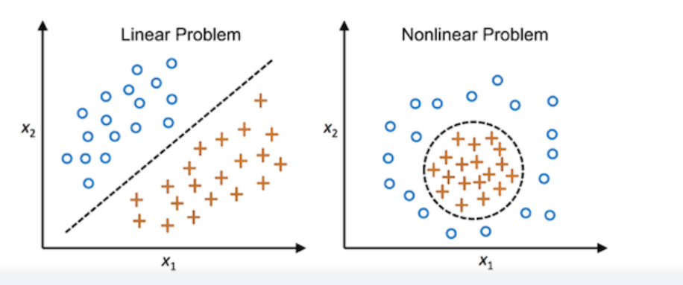

 |  |  | ⇰REFERENCE(Website)-->Analytics Vidhya Regarding Thereotical & Conceptual Implementation of Maximum Margin Classifiers

 |  |  | ⇰REFERENCE (Website)-->Udemy Regarding Thereotical & Conceptual Understanding of Hyper Plane , Margin & Evolution of SVM

∎MAXIMUM MARGIN CLASSIFIER

⇰This classifier is designed specifically for linearly separable data, refers to the condition in which data can be separated linearly (If there is Proper Separation of Classes) in using a hyperplane. But, what is linearly separable data (We already Discussed) |  |  | ⇰REFERENCE(Website)-->Analytics Vidhya Regarding Thereotical & Conceptual Implementation of Maximum Margin Classifiers

1.How do we choose the hyperplane that we really need? Obviously in Maximum Margin Classifier

⇰Based on the maximum margin, the Maximal-Margin Classifier chooses the optimal hyperplane. The dotted lines, parallel to the hyperplane in the following diagram are the margins and the distance between both these dotted lines (Margins) is the Maximum Margin. ⇰This classifier would choose the hyperplane with the maximum margin which is why it is known as Maximal – Margin Classifier. ⇰According to Udemy So this is a very simple model, which is just a maximum margin classifier.Choose the hyper plane and then figure out the hyper plane that is going to maximize these margins & decide that that is then your best separating hyper plane.This same idea of maximum margins applies to end dimensions. This same idea of maximum margins applies to (N-dimensions).

 |  |  | ⇰REFERENCE (Website)-->Udemy Regarding Thereotical & Conceptual Understanding of Hyper Plane , Margin & Evolution of SVM

 |  |  | ⇰REFERENCE (Website)-->Medium (Towards Data Science) Regarding Thereotical & Conceptual Understanding of Support Vector Machine (SVM) -->Support Vector Classifiers

 | 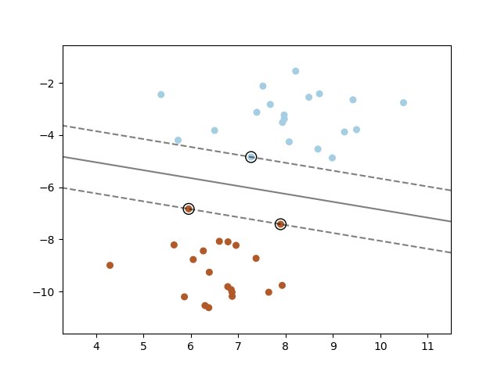

∎LIMITATION FOR MAXIMUM MARGIN CLASSIFIER & OPPORTUNITY FOR SUPPORT VECTOR CLASSIFIER |  |  | ⇰REFERENCE(Website)-->Analytics Vidhya Regarding Thereotical & Conceptual Implementation of Maximum Margin Classifiers

⇰The maximum margin classifier is also known as a “Hard Margin Classifier” because it prevents misclassification and ensures that no point crosses the margin. It tends to overfit due to the hard margin.

⇰An extension of the Maximal Margin Classifier, “Support Vector Classifier” was introduced to address the problem associated with it.

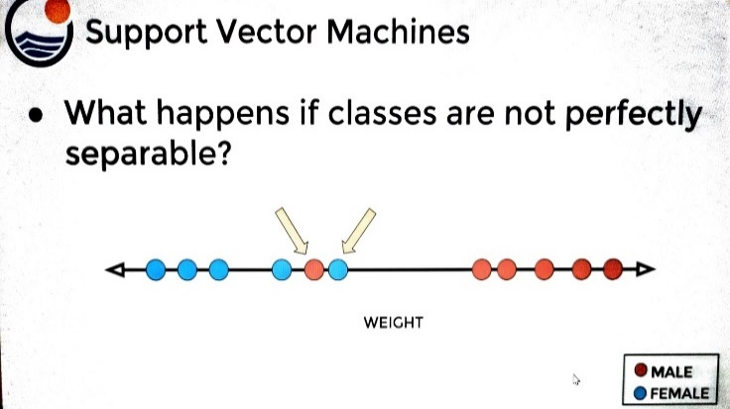 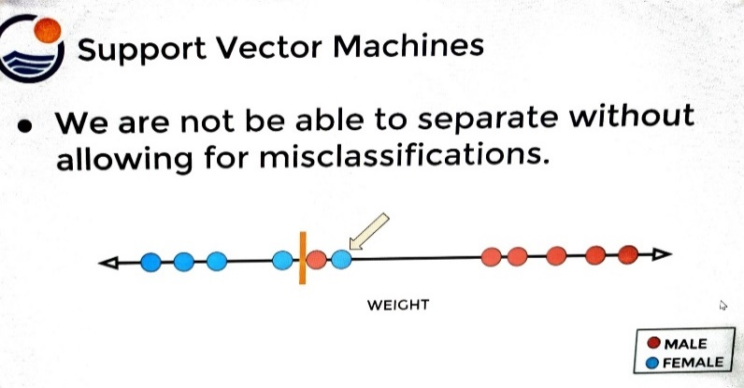 |  |  | ⇰REFERENCE (Website)-->Udemy Regarding Thereotical & Conceptual Understanding of Hyper Plane , Margin & Evolution of SVM

 |  |  | ⇰REFERENCE (Website)-->(Medium) Towards Data Science Regarding Thereotical & Conceptual Understanding of Hyper Plane

⇰(Udemy) Now what happens if the classes are not perfectly separable? ❶Here we can see two points for male and female, and then we can also see that there's not going to be any particular point that perfectly separates out these classes.So I can't figure out any higher plane or any point along this single weight feature that is going to be able to separate without actually allowing for miss classifications.
 |  |  | ⇰REFERENCE (Website)-->Medium Regarding Thereotical & Conceptual Understanding of Support Vector Machine (SVM) -->Support Vector Classifiers

❷You'll notice that in (Fig 2) What will happen if we miss classify the female point as male.If I choose this hyper plane here, I'm going to miss classify the male point as female.Well because of that reason we need to introduce is a bias variance trade off just as we've worked with in other models (Polynomial Regression).

❸For example, here we chose a plane that fit probably too much to the female training data.However, you should know that it's only misclassifying one single point.It's going to misclassify the female training point as male.But realistically speaking, we can see that there's probably too high of a variance fit to the training data picking up too much noise from the female points.Because if we had a new test point, which is actually quite close to the existing female weights,it would still get classified as a male by this particular hyper plane or point of separation. | 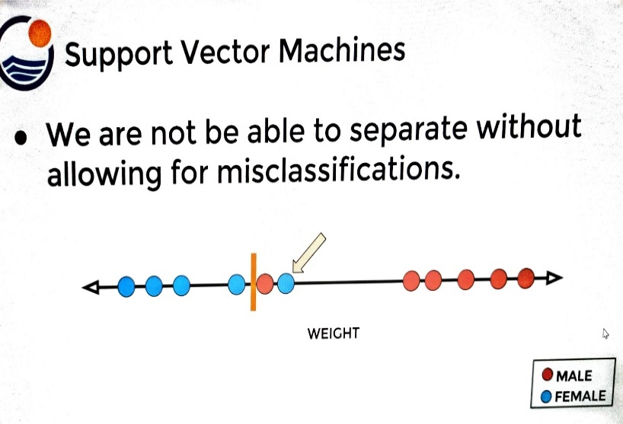

❹BIAS VARIANCE TRADEOFF -->What we would like to do is use the bias variance trade off to our advantage because we can increase the bias by a little bit in order to substantially reduce the variance & this is going to depend on where we actually place this separator.Notice that here we're allowing for the introduction of more bias in order to reduce variance to lead to better long term results on future data.We're still going to possibly misclassify points (Single Points in Above Fig), but you'll notice this new point as we introduce it is going to be classified as female, which is probably much more in line with the training point weights for female.But this separator is still going to misclassify one male training point as female.So the distance between the threshold and the observations is a soft margin & We will Discuss Regarding Soft Margin in Support Vector Classifier.

▣However, all Maximum-Margin Classifiers and Support Vector Classifiers are restricted to data that can be separated linearly.

∎MAXIMUM MARGIN CLASSIFIER (IN 2 DIMENSION) (REASON =>SVC OVER MMC) |  |  | ⇰REFERENCE(Website)-->Analytics Vidhya Regarding Thereotical & Conceptual Implementation of Maximum Margin Classifiers

⇰Let's take a look at this in (2D) two dimensions for the two dimensional soft margin example shown here.These classes are actually still technically perfectly separable.If we went back and only use the maximum margin classifier, we would get a separating plane that looked like this. |  | 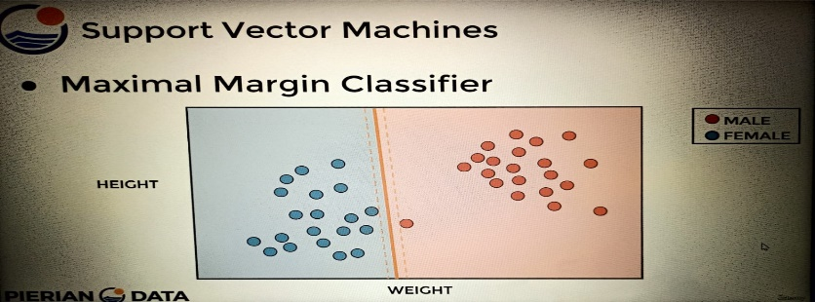

 |  |  | ⇰REFERENCE (Website)-->Udemy Regarding Thereotical & Conceptual Understanding of Hyper Plane , Margin & Evolution of SVM
⇰Notice that we are technically not misclassifying any of the training data, but we're clearly picking up too much variance or too much noise from the female set.If we're only allowing for a maximum margin classifier with no Misclassifications, it's going to end up creating these zones (Blue & Pink) where we're probably expanding the male classification zone (Blue & Pink) to large.So instead we want a support vector classifier which allows for soft margins.That is the difference between the maximum margin classifier versus the support vector classifier.

 |  |  | ⇰REFERENCE (Website)-->(Medium) Towards Data Science Regarding Thereotical & Conceptual Understanding of Hyper Plane

⇰The support vector classifier is essentially adding in the idea of soft margins or allowing for misclassifications to add more bias to our model. Notice that with the soft margins we're allowing for the misclassification of this male training point,but we're able to get a better model that allows for the introduction of more bias to greatly reduce variance.

3.Support Vector Classifier
3.THEORY & EVOLUTION OF SUPPORT VECTOR MACHINE (SVM)=>SUPPORT VECTOR CLASSIFIERS |  |  | REFERENCE

▣PURPOSE OF SUPPORT VECTOR MACHINE |  |  | ⇰REFERENCE (Website)-->Udemy Regarding Thereotical & Conceptual Understanding of SVM (Evolution of SVM & Hyper Plane & Margin)
⇰The Main Idea behind SVM is that we can use Hyper Planes to create separation between classes. ⇰Then New Points will fall on one side of this separating Hyper Plane which we can use assign classes. ⇰SVM algorithm achieves that by finding a hyperplane that separates the two classes with the highest possible margin. The points that end up on the margins are known as support vectors (see illustration below). ⇰Sometimes, however, it may not be possible to separate the two classes correctly, or you may have some outliers which fall inside the margin. Any such misclassified points or points inside the margin would be penalized.

 |  |  | ⇰REFERENCE (Website)--> Analytics Vidhya Regarding Thereotical & Conceptual Understanding of Maximal Marginal Classifier Vs Support Vector Classifier

 |  |  | ⇰REFERENCE (You Tube)-->Visually Explained Regarding Practical & Conceptual Understanding of Kernel Trick in Support Vector Machine (SVM)

▣EVOLUTION OF SVM (SUPPORT VECTOR MACHINE)
⇰MAXIMUM MARGIN CLASSIFIER
⇰SUPPORT VECTOR CLASSIFIERS |  |  | ⇰REFERENCE (Website)-->Analytics Vidhya Regarding Thereotical & Conceptual Understanding of Support Vector Classifiers ( Evolution of SVM)
⇰SUPPORT VECTOR MACHINES
∎SUPPORT VECTOR CLASSIFIERS (FURTHER INFO LIMITATION FOR MAXIMAL MARGIN CLASSIFIER & OPPORTUNITY FOR SUPPORT VECTOR CLASSIFIER)

⇰Support Vector Classifier is an extension of the Maximal Margin Classifier. It is less sensitive to individual data. Since it allows certain data to be misclassified, it’s also known as the “Soft Margin Classifier”. It creates a budget under which the misclassification allowance is granted.

⇰Also, It allows some points to be misclassified, as shown in the following diagram. The points inside the margin and on the margin are referred to as “Support Vectors” in this scenario. Whereas, the points on the margins were referred to as “Support vectors” in the Maximal – Margin Classifier. | 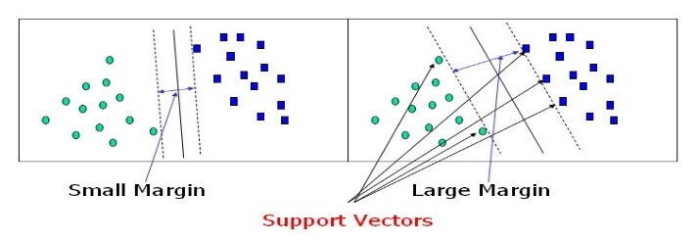 |  | ⇰REFERENCE (Website)-->Medium Regarding Thereotical & Conceptual Understanding of Support Vector Machine (SVM)-->Support Vector Classifiers

⇰(Udemy) So the distance between the threshold and the observations is called soft margin.Notice (Fig) now that we're actually allowing for the bias variance trade off to perform mis classifications, there's going to be some points that are going to actually fall between the margin and the hyper plane & this is known as a soft margin.Essentially a soft margin allows for misclassification inside of the margins, allowing us to introduce more bias to our model in order to hopefully greatly reduce variance.Keep in mind that once we introduce the idea of soft margins, there actually is going to be many possible threshold splits. |  | 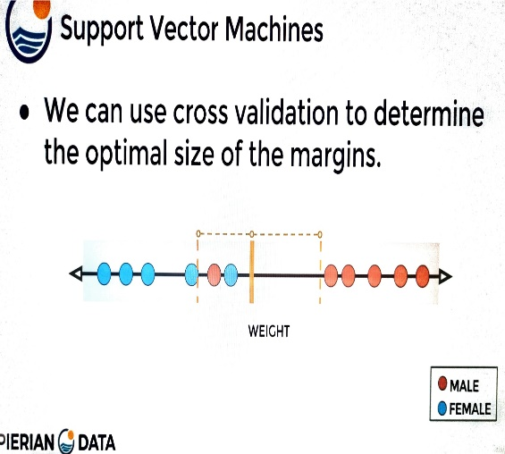
 |  |  | ⇰REFERENCE (Website)-->Udemy Regarding Thereotical & Conceptual Understanding of SVM (Evolution of SVM & Hyper Plane & Margin)

 |  |  | ⇰REFERENCE (Website)-->Analytics Vidhya Regarding Thereotical & Conceptual Understanding of Support Vector Classifiers ( Evolution of SVM)

∎HOW TO WIDEN OR SHORTEN MARGIN THRESHOLDS IN (SUPPORT VECTOR CLASSIFIERS BY PARAMETER => 'C')

⇰The margin widens as the budget for misclassification increases, while the margin narrows as the budget decreases.While building the model, we use a hyperparameter called “Cost”. Here Cost is inverse of budget means when the budget increases —> Cost decreases and vice versa. It is denoted by “C”. ⇰The influence of C’s value on the margin is depicted in the diagram below. When the value is small, for example, C=1, the margin widens, while when the value is high, the margin narrows down. |  | 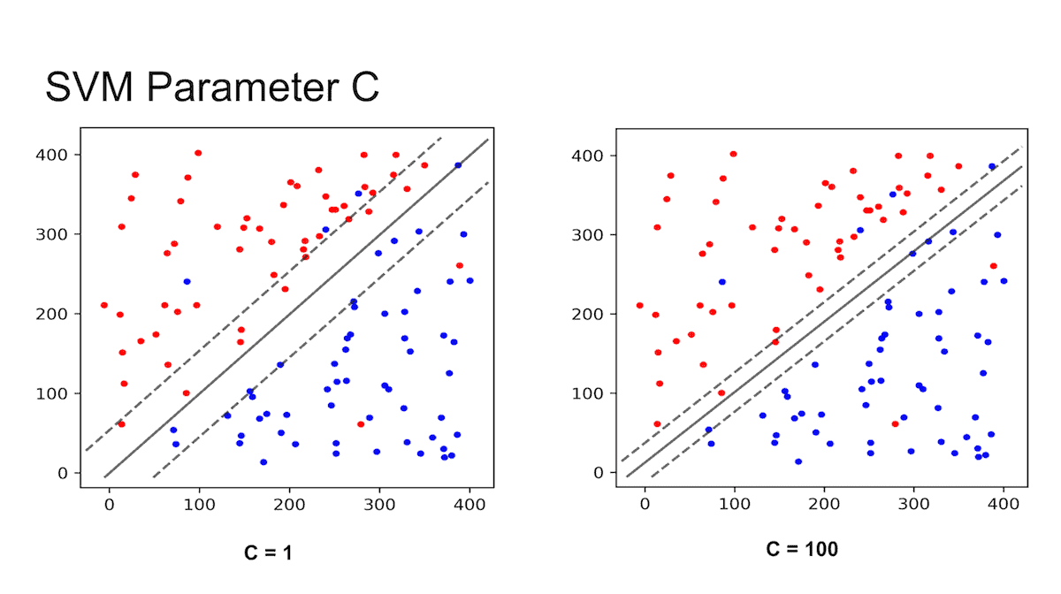

 |  |  | ⇰REFERENCE (You Tube)-->Visually Explained Regarding Practical & Conceptual Understanding of Kernel Trick in Support Vector Machine (SVM)

 |  |  | ⇰REFERENCE (Website)-->Medium Regarding Thereotical & Conceptual Understanding of Support Vector Machine (SVM) -->Support Vector Classifiers

▣However, all Maximum-Margin Classifiers and Support Vector Classifiers are restricted to data that can be separated linearly.

∎SUPPORT VECTOR CLASSIFIER (IN 2 DIMENSION) (REASON =>SVC OVER MMC)
 |  |  | ⇰REFERENCE (Website)-->Udemy Regarding Thereotical & Conceptual Understanding of SVM (Evolution of SVM & Hyper Plane & Margin)
⇰Let's take a look at this in (2D) two dimensions for the two dimensional soft margin example shown here.These classes are actually still technically perfectly separable.If we went back and only use the maximum margin classifier, we would get a separating plane that looked like this.

⇰Notice that we are technically not misclassifying any of the training data, but we're clearly picking up too much variance or too much noise from the female set.If we're only allowing for a maximum margin classifier with no Misclassifications, it's going to end up creating these zones (Blue & Pink) where we're probably expanding the male classification zone (Blue & Pink) to large.So instead we want a support vector classifier which allows for soft margins.That is the difference between the maximum margin classifier versus the support vector classifier. |  |  | ⇰REFERENCE (Website)-->Analytics Vidhya Regarding Thereotical & Conceptual Understanding of Support Vector Classifiers ( Evolution of SVM)

⇰The support vector classifier is essentially adding in the idea of soft margins or allowing for misclassifications to add more bias to our model. Notice that with the soft margins we're allowing for the misclassification of this male training point,but we're able to get a better model that allows for the introduction of more bias to greatly reduce variance.

4.Support Vector Machine
4.THEORY & EVOLUTION OF SUPPORT VECTOR MACHINE (SVM)=>SUPPORT VECTOR MACHINES |  | REFERENCE

▣PURPOSE OF SUPPORT VECTOR MACHINE |  | ⇰REFERENCE (Website)-->Udemy Regarding Thereotical & Conceptual Understanding of Hyper Planes & Margin (Support Vector Margin) SVM
⇰The Main Idea behind SVM is that we can use Hyper Planes to create separation between classes. ⇰Then New Points will fall on one side of this separating Hyper Plane which we can use assign classes.

▣EVOLUTION OF SVM (SUPPORT VECTOR MACHINE) |  | ⇰REFERENCE (Website)-->Udemy Regarding SVM (Support Vector Machine)-> Theory & Kernel Intuition
⇰MAXIMUM MARGIN CLASSIFIER
⇰SUPPORT VECTOR CLASSIFIERS
⇰SUPPORT VECTOR MACHINES
∎LIMITATION FOR MAXIMUM MARGIN CLASSIFIER & SUPPORT VECTOR CLASSIFIERS & OPPORTUNITY FOR SUPPORT VECTOR MACHINE (SVM)

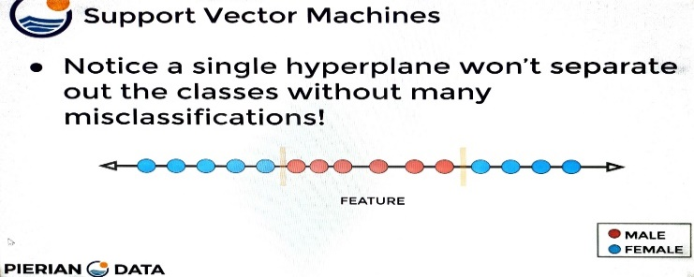 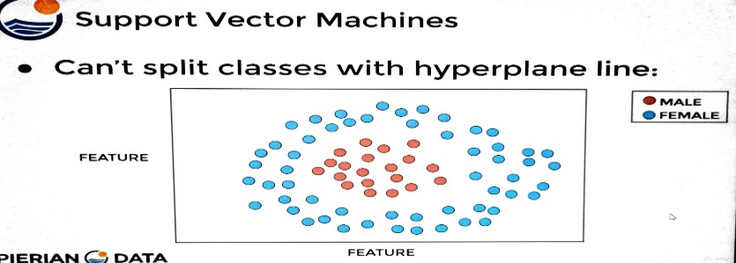
 |  | ⇰REFERENCE (Website)-->Analytics Vidhya Regarding Practical & Conceptual Understanding of Support Vector Machines (SVM)

 |  | ⇰REFERENCE (Website)-->Medium Regarding Thereotical & Conceptual Understanding of Support Vector Machine (SVM)
⇰For example, take a look at this case Clearly, there's no straight line that is going to be able to separate out this class and there's not going to be a grouping of lines easily solved for that can fix this problem.Instead, this is where we have to go from a support vector classifier to a support vector machine (SVM) are going to solve the problem where your hyper planes are not easily able to separate out your classes, even when you have soft margins.We will Discussed Support Vector Machine (SVM) in Upcoming Topic

∎SUPPORT VECTOR MACHINE |  | ⇰REFERENCE (You Tube)-->Visually Explained Regarding Practical & Conceptual Understanding of Kernel Trick in Support Vector Machine (SVM)

⇰According to (Analytics Vidhya) =>Support Vector Machines are an extension of Soft Margin Classifier (SUPPORT VECTOR CLASSIFIERS). It can also be used for nonlinear (Non-Linear Curve) classification by using the kernel. As a result, this algorithm performs well in the majority of real-world problem statements. Since, in the real world, we will mostly find non-linear separable data, which will necessitate the use of complex classifiers to classify them.

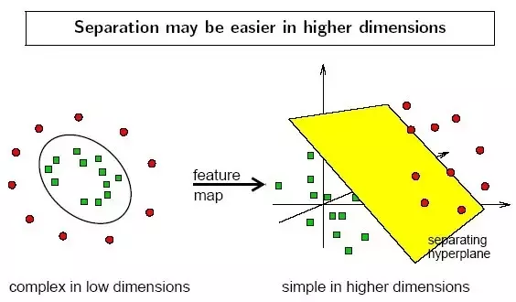 |  | ⇰REFERENCE (Website)-->Udemy Regarding Thereotical & Conceptual Understanding of Hyper Planes & Margin (Support Vector Margin) SVM

 |  | ⇰REFERENCE (Website)-->Udemy Regarding SVM (Support Vector Machine)-> Theory & Kernel Intuition

⇰ (Udemy) For example, take a look at this case.Clearly, there's no straight line that is going to be able to separate out this class (Male & Female) & there's not going to be a grouping of lines easily solved for that can fix this problem.Instead, this is where we have to go from a support vector classifier to a support vector machine (SVM) are going to solve the problem where your hyper planes are not easily able to separate out your classes, even when you have soft margins.So to solve these cases, we're going to move on from support vector classifiers to support vector machines. And the way we do this is through the use of kernels. | 
 |  | ⇰REFERENCE (Website)-->Analytics Vidhya Regarding Practical & Conceptual Understanding of Support Vector Machines (SVM)

SUPPORT VECTOR MACHINE (TOWARDS DATA SCIENCE)

▣Let’s assume we have a set of points that belong to two separate classes. We want to separate those two classes in a way that allows us to correctly assign any future new points to one class or the other. ▣SVM algorithm achieves that by finding a hyperplane that separates the two classes with the highest possible margin. The points that end up on the margins are known as support vectors (see illustration below). ▣Sometimes, however, it may not be possible to separate the two classes correctly, or you may have some outliers which fall inside the margin. Any such misclassified points or points inside the margin would be penalized. This is where the “slack” value comes in, denoted by a greek letter ξ (xi, pronounced “ksi”). You may ignore it for now, but it will become more relevant when we look at support vector regression. |  | ⇰REFERENCE (Website)-->Towards Data Science Regarding Thereotical & Conceptual Understanding of of Support Vector Machine (SVM)

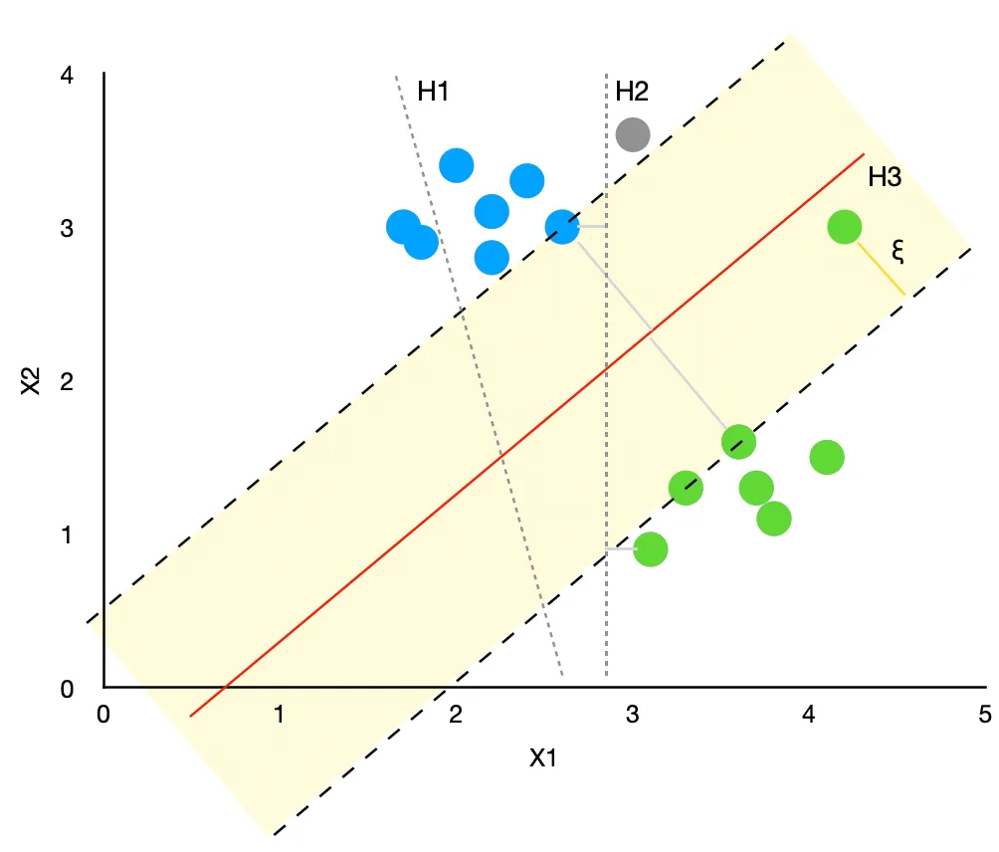

⇰In the graph above, we have a class of blue points and a class of green points. We try a few different hyperplanes to separate the points with the following results: |  | ⇰REFERENCE (Website)-->Towards Data Science Regarding Thereotical & Conceptual Understanding of of Support Vector Machine (SVM)

❶H1 was not able to correctly separate the classes. Hence, it is not a viable solution. ❷H2 separated the classes correctly, but the margin between the hyperplane and the nearest point is quite small. Hence, there is a high chance of incorrectly classifying any future new points. E.g., the new grey point (x1=3, x2=3.6) would be assigned to the green class by the algorithm when it is obvious that it should belong to the blue class instead. ❸H3 separates the two classes with the highest possible margin, making the model a lot more robust. This ensures that we are more likely to assign future new points to the right class correctly. Note, we did have one outlier that has fallen inside the margin.

▣KERNELS : It transforms non-linear separable data from lower to higher dimensions to facilitate linear classification,as illustrated in the figure below. We use the kernel-based technique to separate non-linear data because separation can be simpler in higher dimensions. (We will Discuss it Further Separately)

